Sheet1
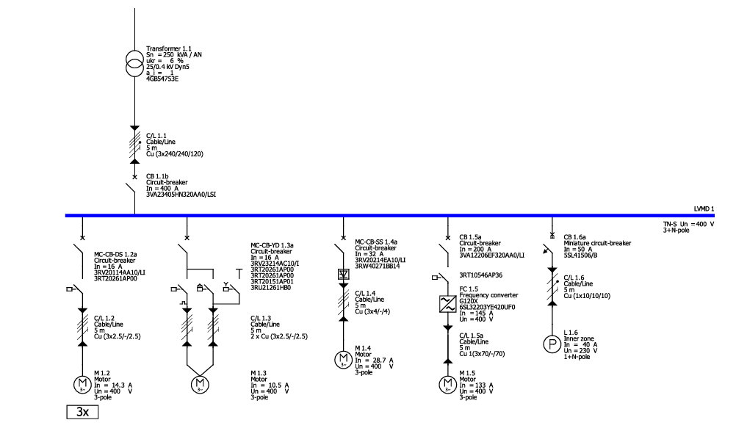
Distribution | Catalog reference | DI-Type | Type | Quantity
LVMD 1 | 3RT10546AP36 | 3RT10546AP36 | Contactor | 1
LVMD 1 | 3RT20151AP01 | 3RT20151AP01 | Contactor | 1
LVMD 1 | 3RT20261AP00 | 3RT20261AP00 | Contactor | 5
LVMD 1 | 3RU21261HB0 | 3RU21261HB0 | Relay | 1
LVMD 1 | 3RV20114AA10 | 3RV20114AA10 | Circuit-breaker | 3
LVMD 1 | 3RV20214EA10 | 3RV20214EA10 | Circuit-breaker | 1
LVMD 1 | 3RV23214AC10 | 3RV23214AC10 | Circuit-breaker | 1
LVMD 1 | 3RW40271BB14 | 3RW40271BB14 | Soft starter | 1
LVMD 1 | 3VA12206EF320AA0 | 3VA1H250 R200 TM240 F/3P | Circuit-breaker | 1
LVMD 1 | 3VA23405HN320AA0 | 3VA2M400 R400 ETU350 F/3P | Circuit-breaker | 1
LVMD 1 | 4GB54753E |  | Transformer | 1
LVMD 1 | 5SL41506 | 5SL4 B50A /1P | Miniature circuit-breaker | 1
LVMD 1 | 6SL32203YE420UF0 | 6SL32203YE420UF0 | Power module | 1

Designation | Conductor cross-sections [mm²] | Type of cable | Ib [A] | Iz [A] | Class | Type | Conductor material | Length [m] | Longest fire area [m] | Insulating material | Installation type | Reduction factor f tot | Temperature for voltage drop [°C] | Temperature for Ikmax [°C] | Temperature for disconnection condition [°C] | Temperature for voltage drop/ disconnection condition in fire area [°C] | Δu [%] | Quantity
C/L 1.1 | 3x240/240/120 | e.g. NYY, NYCWY, NYCY, NYKY | 237.68 | 403 | - | - | Cu | 5 | - | PVC70 | C | 1 | 55 | 20 | 80 | - | 0.06 | 1
C/L 1.2 | 3x2.5/-/2.5 | e.g. NYY, NYCWY, NYCY, NYKY | 14.26 | 24 | - | - | Cu | 5 | - | PVC70 | C | 1 | 55 | 20 | 80 | - | 0.22 | 3
C/L 1.3 | 3x2.5/-/2.5 | e.g. NYY, NYCWY, NYCY, NYKY | 6.07 | 24 | - | - | Cu | 5 | - | PVC70 | C | 1 | 55 | 20 | 80 | - | 0.11 | 2
C/L 1.4 | 3x4/-/4 | e.g. NYY, NYCWY, NYCY, NYKY | 28.67 | 32 | - | - | Cu | 5 | - | PVC70 | C | 1 | 55 | 20 | 80 | - | 0.27 | 1
C/L 1.5a | 3x70/-/70 | e.g. NYCWY | - | - | - | - | Cu | 5 | - | PVC heat-resistant | - | - | - | - | - | - | - | 1
C/L 1.6 | 1x10/10/10 | e.g. NYY, NYCWY, NYCY, NYKY | 40 | 63 | - | - | Cu | 5 | - | PVC70 | C | 1 | 55 | 20 | 80 | - | 0.31 | 1

